Module 1
ASSIGNMENT MODULE --1
NO | QUESTION | ANSWERS

1 | Software engineering | Software engineering is the art of developing quality software on time and within budget.
2 | SDLC | SDLC = Software Development Life Cycle. Sdlc is a structure imposed on the development of a software product that defines the process for planning , implementaion, testing , documentation , deployment , and ongoing maintence and support.
 |  | SDLC LIFE CYCLE = 1. PLANNIG
 |  | 2. ANALYSIS
 |  | 3. DESIGEN
 |  | 4. IMPLEMATATION
 |  | 5. TESTING
 |  | 6. MAINTENANCE
3 | Software Development Methodology | Software testing methodology is defined as strategis and testing types used to certify that the appliction under test meets client expectation..
 |  | software testing 5 methodology .
 |  | 1. waterfall model / methodology
 |  | 2. lterative & incremental model
 |  | 3. spiral methodology
 |  | 4. Agile methodology
 |  | 5. Use case
4 | Agile methodology | Agile methdology is every itration involves cross functional teams working simultaneously on vairous areas like planing ,requriements, analysis , desigen , coding ,unit testing , and acceptance testing..
5 | Use case | A use case is specification of a sequence of action , including variants, that a system or other entry can perform , interacting with actors of the system.uesed for describing the brhavior of software or system.
6 | Activity Diagrams | Activty daigrams are graphical represenations of workflows of stepwise activites and actions with support for choice, iteration and concurrency.
7 | SRS | SRS = A SOFTWARE REQUIREMENTS SPECIFICATION
 |  | software requirements specification can help prevent software project failure and specification document lists suffcient and necessary requirements for the project development.
8 | PROGRAMING | A program that is used by the software developers for creating, editing, maintaining, supporting and other application, framwroks and programs as a software delevlopment tool or a software programing tool.

9 | OOPS | OOPS = Object Oriented Programming Structure
 |  | An object can be defined as a data filed that has unique attributes and behaviour.
10 | Basic Concepts of oops | * OBJECT
 |  | * CLASS
 |  | * ENCAPSULATION
 |  | * INHERITENCE
 |  | * POLYMORPHISM
 |  | * ABSTRACTION
11 | OBJECT | Object - oriented programming is a programming paradigm based on the concept of " object ".
12 | CLASS | The object may continue data as a form of instance variables and behaviours in form class methods.
13 | RDBMS | The data in RDBMS is stored in database objects called tables.
14 | SQL | DATABASE AND STRUCTURE QUERY LANGUAGE.
15 | SQL COMMANDS | * DDL = DATA DEFINATION LUNGUAGE.
 |  | * DML = DATA MAINPULATION LANGUAGE.
 |  | * DCL = DATA CONTROL LUNGUAGE.
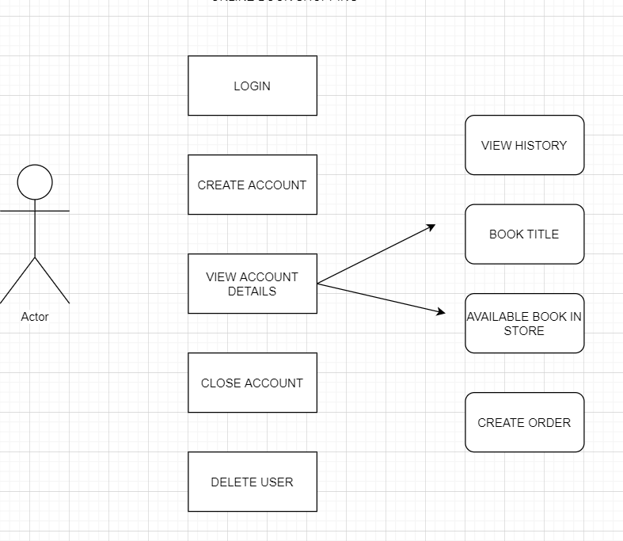
 |  | * DQL = DATA QUERY LANGUAGE.
16 | ONLINE BOOK SHOPPING

17 | ONLINE BILL PAYMENT SYSTEM | 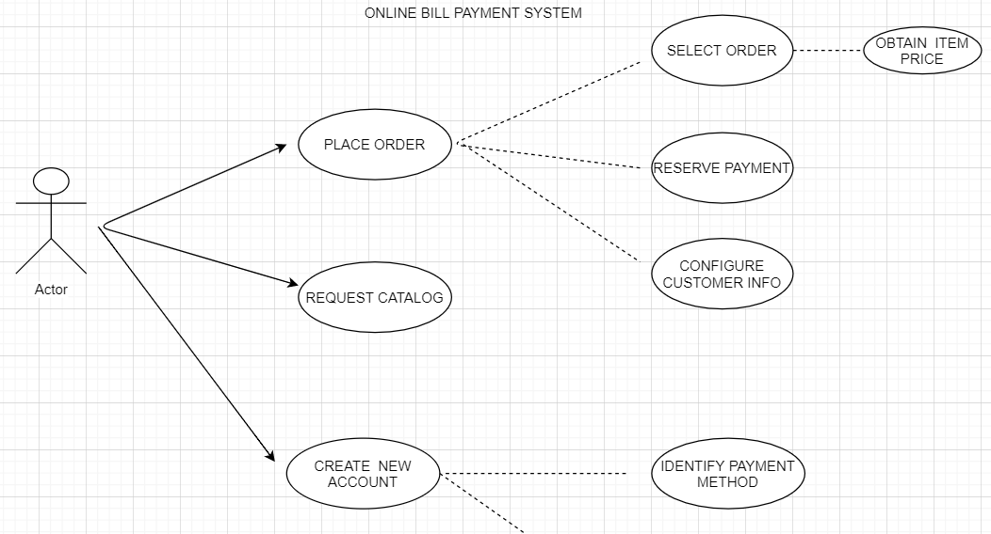

18 | SDLC phases with basic introduction | Analysis = Model And Specify the requirements- “What”
 |  | Design = Model And Specify a Solution – “Why
 |  | Implementation = Construct a Solution In Software
 |  | Testing = Validate the solution against the requirements
 |  | Maintenance = Repair defects and adapt the solution to the new requirements
19 | Explain types of requirements | Functional Requirements : describe system services or functions. * Compute sales tax on a purchase * Update the database on the server
 |  | Non-Functional Requirements : are constraints on the system or the development process.
 |  | Non-functional requirements may be more critical than functional requirements. * If these are not met, the system is useless
20 | Importance of Design phase | * Analyzing the trade-offs of necessary complexity allows for many things to remain simple which, in turn, will eventually lead to a higher quality product. The architecture team also converts the typical scenarios into a test plan.
 |  | * Design Architecture Document
 |  | * Implementation Plan
 |  | * Critical Priority Analysis
 |  | *Performance Analysis
 |  | * Test Plan
 |  | * The Design team can now expand upon the information established in the requirement document.
 |  | * The requirement document must guide this decision process.
21 | Tasks performed in coding phase | Once the design is complete , most of the major decisions about the system have been made. The goal of the coding phase is to translate the design of the system into code in a given programming language .
22 | Briefly explain Testing Phase | * Simply stated, quality is very important. Many companies have not learned that quality is important and deliver more claimed functionality but at a lower quality level
 |  | * It is much easier to explain to a customer why there is a missing feature than to explain to a customer why the product lacks quality.
 |  | *A customer satisfied with the quality of a product will remain loyal and wait for new functionality in the next version
 |  | * Quality is a distinguishing attribute of a system indicating the degree of excellence
 |  | *Regression Testing
 |  | *Internal Testing
 |  | *Unit Testing
 |  | * Application Testing
 |  | *Stress Testing
 |  | *The testing phase is a separate phase which is performed by a different team after the implementation is completed
23 | Phases of the waterfall model | * it is very simple but idealistic.
 |  | * other software devlopment life cycle modles are based on the clssical waterfall model.
 |  | * in this model on phase can be started after completion of the previous phase.
 |  | * The output of one phase will be the input to the next phase.
 |  | * Development process can be can be considered as a sequential flow in the waterfall.
 |  | Phases = Requirements / analysis
 |  | = Design
 |  | = Coding
 |  | = Testing
 |  | = Maintenance
24 | Phases of the Spiral model | Spiral Model is very widely used in the software industry as it is in synch with the natural development process of any product i.e. learning with maturity and also involves minimum risk .
 |  | Planning
 |  | Risk analysis
 |  | Coustomer Evaluation
 |  | Engineering
25 | agile manifesto principles | Individuals and interactions : in agile development, self-organization and motivation are important, as are interactions like co-location and pair programming.
 |  | Working software : Demo working software is considered the best means of communication with the customer to understand their requirement, instead of just depending on documentation.
 |  | Customer collaboration : As the requirements cannot be gathered completely in the beginning of the project due to various factors, continuous customer interaction is very important to get proper product requirements..
 |  | Responding to change : agile development is focused on quick responses to change and continuous development.
26 | What is Actor in Use - Case | An actor in the Unified Modeling Language (UML) "specifies a role played by a user or any other system that interacts with the subject." "An Actor models a type of role played by an entity that interacts with the subject (e.g., by exchanging signals and data), but which is external to the subject."..
27 | How many kinds of nodes in Activity Diagrams? Which? | Control node = is an activity node used to coordinate the flows between other nodes. It includes
 |  | Initial node = is a control node at which flow starts when the activity is invoked.
 |  | Flow final node = is a control final node that terminates a flow. It destroys all tokens that arrive at it but has no effect on other flows in the activity. Flow final was introduced in UML 2.0.
 |  | Activity final node = is a control final node that stops all flows in an activity. Activity final was introduced in UML 2.0.
 |  | Decision node = is a control node that accepts tokens on one or two incoming edges and selects one outgoing edge from one or more outgoing flows. Decision nodes were introduced in UML to support conditionals in activities.
 |  | Merge node = is a control node that brings together multiple incoming alternate flows to accept single outgoing flow. There is no joining of tokens. Merge should not be used to synchronize concurrent flows.
 |  | Fork node = is a control node that has one incoming edge and multiple outgoing edges and is used to split incoming flow into multiple concurrent flows. Fork nodes are introduced to support parallelism in activities. As compared to UML 1.5, UML 2.0 activity forks model unrestricted parallelism.
 |  | Join node = is a control node that has multiple incoming edges and one outgoing edge and is used to synchronize incoming concurrent flows. Join nodes are introduced to support parallelism in activities.
28 | What is Encapsulation? | * Encapsulation is the practice of including in an object everything it needs hidden from other objects. The internal state is usually not accessible by other objects.
 |  | * Encapsulation is placing the data and the functions that work on that data in the same place. While working with procedural languages, it is not always clear which functions work on which variables but object-oriented programming provides you framework to place the data and the relevant functions together in the same object.
 |  | * Encapsulation in Java is the process of wrapping up of data (properties) and behavior (methods) of an object into a single unit; and the unit here is a Class (or interface).
 |  | * Encapsulate in plain English means to enclose or be enclosed in or as if in a capsule. In Java, a class is the capsule (or unit).
 |  | * In Java, everything is enclosed within a class or interface, unlike languages such as C and C++, where we can have global variables outside classes.
 |  | * Encapsulation enables data hiding, hiding irrelevant information from the users of a class and exposing only the relevant details required by the user.
 |  | * We can expose our operations hiding the details of what is needed to perform that operation.
 |  | * We can protect the internal state of an object by hiding its attributes from the outside world (by making it private), and then exposing them through setter and getter methods. Now modifications to the object internals are only controlled through these methods.
29 | What is abstraction? | Abstraction is the representation of the essential features of an object. These are ‘encapsulated’ into an abstract data type.
 |  | Data abstraction refers to, providing only essential information to the outside word and hiding their background details, i.e., to represent the needed information in program without presenting the details
 |  | In plain English, abstract means a concept or idea not associated with any specific instance and does not have a concrete existence.
 |  | Abstraction in Object Oriented Programming refers to the ability to make a class abstract.
 |  | Abstraction captures only those details about an object that are relevant to the current perspective.
 |  | Abstraction tries to reduce and factor out details so that the programmer can focus on a few concepts at a time. Java provides interfaces and abstract classes for describing abstract types.
 |  | An interface is a contract or specification without any implementation. An interface can't have behavior or state.
 |  | An abstract class is a class that cannot be instantiated. All other functionality of the class still exists. Abstract classes can have state and can be used to provide a skeletal implementation
 |  | A detailed comparison of interfaces and abstract classes can be found at interface vs abstract-class.
30 | What is inheritance? | Inheritance means that one class inherits the characteristics of another class. This is also called a “is a” relationship
 |  | One of the most useful aspects of object-oriented programming is code reusability. As the name suggests Inheritance is the process of forming a new class from an existing class that is from
 |  | the existing class called as base class, new class is formed called as derived class. • This is a very important concept of object-oriented programming since this feature helps to reduce the code size
 |  | Inheritance describes the relationship between two classes. A class can get some of its characteristics from a parent class and then add unique features of its own.
 |  | In general, Java supports single-parent, multiple-children inheritance and multilevel inheritance (Grandparent-> Parent -> Child) for classes and interfaces. Java supports multiple inheritances (multiple parents, single child) only through interfaces.
 |  | In a class context, inheritance is referred to as implementation inheritance, and in an interface context, it is also referred to as interface inheritance
31 | What is polymorphism? | Polymorphism means “having many forms”.
 |  | It allows different objects to respond to the same message in different ways, the response specific to the type of the object.
 |  | The most important aspect of an object is its behaviour (the things it can do). A behavior is initiated by sending a message to the object (usually by calling a method).
 |  | The ability to use an operator or function in different ways in other words giving different meaning or functions to the operators or functions is called polymorphism.
 |  | Poly refers too many. That is a single function or an operator functioning in many ways different upon the usage is called polymorphism.
 |  | E.g. the message displayDetails() of the Person class should give different results when send to a Student object (e.g. the enrolment number).
 |  | The ability to change form is known as polymorphism
 |  | There is two types of polymorphism in Java Compile time polymorphism(Overloading) Runtime polymorphism(Overriding)
32 | Why SQL? | * Allows users to access data in relational database management systems
 |  | * Allows users to describe the data.
 |  | * Allows users to define the data in database and manipulate that data.
 |  | * Allows to embed within other languages using SQL modules, libraries & pre-compilers.
 |  | * Allows users to create and drop databases and tables
 |  | * Allows users to create view, stored procedure, functions in a database
 |  | * Allows users to set permissions on tables, procedures, and views
 |  | * SQL stands for Structured Query Language
 |  | * SQL allows you to access a database
 |  | * SQL is an ANSI standard computer language
 |  | * SQL can execute queries against a database
 |  | * SQL can retrieve data from a database
 |  | * SQL can insert new records in a database
 |  | * SQL can delete records from a database
 |  | * SQL can update records in a database
 |  | * SQL is easy to learn
 |  | * SQL is written in the form of queries
 |  | * action queries insert, update & delete data
 |  | * select queries retrieve data from DB
33 | Write sql commands in detail | DDL – Data Definition Language
 |  | CREATE = Creates a new table, a view of a table, or other object in database
 |  | ALTER = Modifies an existing database object, such as a table.
 |  | DROP = Deletes an entire table, a view of a table or other object in the database
 |  | DQL – Data Query Language
 |  | SELECT = Retrieves certain records from one or more tables
 |  | DML – Data Manipulation Language
 |  | INSERT = Creates a record
 |  | UPDATE = Modifies records
 |  | DELETE = Deletes records
 |  | DCL – Data Control Language
 |  | GRANT = Gives a privilege to user
 |  | REVOKE = Takes back privileges granted from user
34 | What is join? | The SQL Joins clause is used to combine records from two or more tables in a database. A JOIN is a means for combining fields from two tables by using values common to each. ..
35 | Write type of joins. | INNER JOIN : returns rows when there is a match in both tables.
 |  | LEFT JOIN : returns all rows from the left table, even if there are no matches in the right table.
 |  | RIGHT JOIN : returns all rows from the right table, even if there are no matches in the left table
 |  | FULL JOIN : returns rows when there is a match in one of the tables. DDL - Data Definition Language
36 | Explain phases of SDLC in detail | Requirements Collection/Gathering Establish Customer Needs
 |  | Analysis Model And Specify the requirements- “What”
 |  | Design Model And Specify a Solution – “Why”
 |  | Implementation Construct a Solution In Software
 |  | Testing Validate the solution against the requirements
 |  | Maintenance Repair defects and adapt the solution to the new requirements
37 | According to you which is most creative and challenging phase of system life cycle? | The most creative and challenging phase of the system life cycle is system design, which refers to the technical specifications that will be applied in implementing the candidate system. It also includes the construction of programmers and program testing.
38 | Who are the people involved in the phases of Waterfall Model | The waterfall model is a sequential design process in which progress is seen as flowing steadily downwards (like a waterfall) through the phases of Conception, Initiation, Analysis, Design, Construction, Testing, Production/Implementation, and Maintenance.
39 | Explain the team Requirement Gathering concerning SDLC | Features
 |  | Usage scenarios
 |  | Although requirements may be documented in written form, they may be incomplete, unambiguous, or even incorrect
 |  | Requirements will Change!
 |  | Inadequately captured or expressed in the first place
 |  | User and business needs change during the project
 |  | Validation is needed throughout the software lifecycle, not only when the “final system” is delivered
 |  | Build constant feedback into the project plan
 |  | Plan for change
 |  | Early prototyping [e.g., UI] can help clarify the requirements
 |  | Functional and Non-Functional
 |  | Requirements definitions usually consist of natural language, supplemented by (e.g., UML) diagrams and tables.
40 | What are problems faced in the waterfall model? | * No working software is produced until late during the life cycle
 |  | * High amounts of risk and uncertainty.
 |  | * Not a good model for complex and object-oriented projects.
 |  | * Poor model for long and ongoing projects
 |  | * Not suitable for the projects where requirements are at a moderate to high risk of changing. So risk and uncertainty is high with this process model.
 |  | * It is difficult to measure progress within stages
 |  | * Cannot accommodate changing requirements.
 |  | * No working software is produced until late in the life cycle
 |  | * Adjusting scope during the life cycle can end a project
 |  | * Integration is done as a "big-bang. at the very end, which doesn't allow identifying any technological or business bottleneck or challenges early
41 | Write applications of iterative and incremental model | Requirements of the complete system are clearly defined and understood
 |  | Major requirements must be defined; however, some functionalities or requested enhancements may evolve with time
 |  | There is a time to the market constraint.
 |  | A new technology is being used and is being learnt by the development team while working on the project
 |  | Resources with needed skill set are not available and are planned to be used on contract basis for specific iterations
 |  | There are some high risk features and goals which may change in the future.
42 | Write pros and cons of iterative and incremental model | PROS =
 |  | * Some working functionality can be developed quickly and early in the life cycle
 |  | * Results are obtained early and periodically.
 |  | * Parallel development can be planned
 |  | * Progress can be measured.
 |  | * Less costly to change the scope/requirements.
 |  | * Testing and debugging during smaller iteration is easy
 |  | * Risks are identified and resolved during iteration; and each iteration is an easily managed milestone
 |  | * Easier to manage risk - High risk part is done first.
 |  | * With every increment operational product is delivered.
 |  | * Issues, challenges & risks identified from each increment can be utilized/applied to the next increment
 |  | * Risk analysis is better.
 |  | * It supports changing requirements.
 |  | * Initial Operating time is less.
 |  | * Better suited for large and mission-critical projects.
 |  | * During life cycle software is produced early which facilitates customer evaluation and feedback

 |  | CONS =
 |  | * More resources may be required
 |  | * Although cost of change is lesser but it is not very suitable for changing requirements.
 |  | * More management attention is required
 |  | * System architecture or design issues may arise because not all requirements are gathered in the beginning of the entire life cycle
 |  | * Defining increments may require definition of the complete system.
 |  | * Not suitable for smaller projects.
 |  | * Management complexity is more.
 |  | * End of project may not be known which a risk is.
 |  | * Highly skilled resources are required for risk analysis.
 |  | * Project’s progress is highly dependent upon the risk analysis phase
43 | Write applications of spiral model | *Spiral Model is very widely used in the software industry as it is in synch with the natural development process of any product i.e. learning with maturity and also involves minimum risk
 |  | * When costs there are a budget constraint and risk evaluation is important.
 |  | * For medium to high-risk projects.
 |  | * Long-term project commitment because of potential changes to economic priorities as the requirements change with time
 |  | * Customer is not sure of their requirements which are usually the case
 |  | * Requirements are complex and need evaluation to get clarity.
 |  | * New product line which should be released in phases to get enough customer feedback.
 |  | * Significant changes are expected in the product during the development cycle.
44 | Explain working methodology of agile model and also write pros and cons | Agile Model/Methodology =
 |  | * Agile SDLC model is a combination of iterative and incremental process models with focus on process adaptability and customer satisfaction by rapid delivery of working software product
 |  | * Agile Methods break the product into small incremental builds.
 |  | * These builds are provided in iterations.
 |  | * Each iteration typically lasts from about one to three weeks.
 |  | * Every iteration involves cross functional teams working simultaneously on various areas like planning, requirements analysis, design, coding, unit testing, and acceptance testing.
 |  | * At the end of the iteration a working product is displayed to the customer and important stakeholders. What is Agile
 |  | * Agile model believes that every project needs to be handled differently and the existing methods need to be tailored to best suit the project requirements. In agile the tasks are divided to time boxes (small time frames) to deliver specific features for a release.
 |  | * Iterative approach is taken and working software build is delivered after each iteration. Each build is incremental in terms of features; the final build holds all the features required by the customer
 |  | * Agile thought process had started early in the software development and started becoming popular with time due to its flexibility and adaptability.

 |  | PROS =
 |  | * Is a very realistic approach to software development
 |  | * Promotes teamwork and cross training.
 |  | * Functionality can be developed rapidly and demonstrated.
 |  | * Resource requirements are minimum.
 |  | * Suitable for fixed or changing requirements
 |  | * Delivers early partial working solutions
 |  | * Good model for environments that change steadily.
 |  | * Minimal rules, documentation easily employed.
 |  | * Enables concurrent development and delivery within an overall planned context
 |  | * Little or no planning required
 |  | * Easy to manage
 |  | * Gives flexibility to developers

 |  | CONS =
 |  | * Not suitable for handling complex dependencies.
 |  | * More risk of sustainability, maintainability and extensibility.
 |  | * An overall plan, an agile leader and agile PM practice is a must without which it will not work.
 |  | * Strict delivery management dictates the scope, functionality to be delivered, and adjustments to meet the deadlines.
 |  | * Depends heavily on customer interaction, so if customer is not clear, team can be driven in the wrong direction.
 |  | * There is very high individual dependency, since there is minimum documentation generated
 |  | * Transfer of technology to new team members may be quite challenging due to lack of
45 | What is difference between software product and software project. | Software product : A software application that is developed by a company with its own budget. The requirements are driven by market surveys. The developed product is then sold to different customers with licenses.
 |  | Example for software products : Tally (by TCS), Acrobat reader/writer (Adobe), Internet Explorer (MS), Finale (Infosys), Windows (MS), QTP (HP) etc.

 |  | Software project : A software application that is developed by a company with the budget from a customer. In fact, the customer gives order to develop some software that helps him in his business. Here, the requirements come from the customer.
 |  | Example for software projects : A separate application ordered by a manufacturing company to maintain its office inventory etc
46 | Explain polymorphism with example. | Polymorphism means “having many forms”. It allows different objects to respond to the same message in different ways, the response specific to the type of the object.
 |  | The most important aspect of an object is its behaviour (the things it can do). A behavior is initiated by sending a message to the object (usually by calling a method).
 |  | EXAMPLE : the message displayDetails() of the Person class should give different results when send to a Student object (e.g. the enrolment number)
 |  | 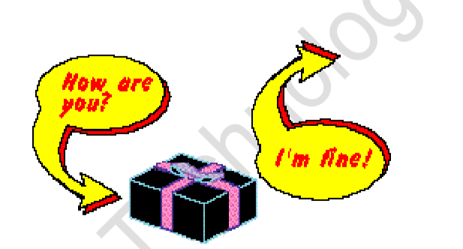

47 | Explain Abstraction with Example | Abstraction is the representation of the essential features of an object. These are ‘encapsulated’ into an abstract data type.
 |  | Data abstraction refers to, providing only essential information to the outside word and hiding their background details, i.e., to represent the needed information in program without presenting the details.
 |  | For example, a database system hides certain details of how data is stored and created and maintained.
 |  | Abstraction Example :
 |  | package com.abstractdemo; public class MatrixImpl extends Matrix { @Override public int[][] add(int[][] a, int[][] b) { // TODO Auto-generated method stub int[][] c = new int[a.length][b.length]; for (int i = 0; i < a.length; i++) { for (int j = 0; j < b.length; j++) { c[i][j] = a[i][j] + b[i][j]; } } return c; }
 |  | Demo.java System.out.println("Enter a values : "); for (int i = 0; i < n; i++) { for (int j = 0; j < n; j++) { a[i][j] = scanner.nextInt(); } } System.out.println("Enter b values : "); for (int i = 0; i < n; i++) { for (int j = 0; j < n; j++) { b[i][j] = scanner.nextInt(); } }
 |  | } MatrixImpl impl = new MatrixImpl(); c = impl.add(a, b); System.out.println("addition:::: "); for (int i = 0; i < c.length; i++) { for (int j = 0; j < c.length; j++) { System.out.print(" " + c[i][j]); } System.out.println("\n");
48 | Explain types of inheritance with example. | Inheritance means that one class inherits the characteristics of another class. This is also called a “is a” relationship
 |  | One of the most useful aspects of object-oriented programming is code reusability. As the name suggests Inheritance is the process of forming a new class from an existing class that is from the existing class called as base class, new class is formed called as derived class.
 |  | For example consider a Vehicle parent class and its child class Car
 |  | Vehicle class will have all common properties and functionalities for all vehicles in common and Car will inherit those common properties from the Vehicle class and then add those properties which are specific to a car.
 |  | Here, Vehicle is known as base class, parent class, or super class.
 |  | Car is known as derived class, Child class or subclass.
 |  | 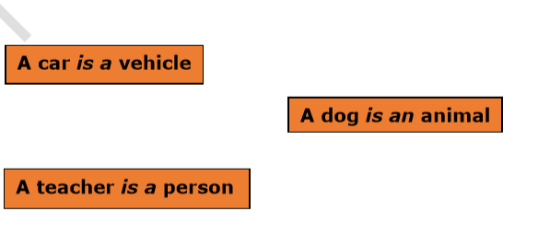

49 | What is Inner Join? | The most frequently used and important of the joins is the INNER JOIN. They are also referred to as an EQUIJOIN
 |  | The INNER JOIN creates a new result table by combining column values of two tables (table1 and table2) based upon the join-predicate. The query compares each row of table1 with each row of table2 to find all pairs of rows which satisfy the join-predicate. When the joinpredicate is satisfied, column values for each matched pair of rows of A and B are combined into a result row.
 |  | The basic syntax of INNER JOIN is as follows: SELECT table1.column1, table2.column2...FROM table1INNER JOIN table2ON table1.common_filed = table2.common_field;
50 | Explain left and right join with example | LEFT JOIN =
 |  | * The SQL LEFT JOIN returns all rows from the left table, even if there are no matches in the right table. This means that if the ON clause matches 0 (zero) records in right table, the join will still return a row in the result, but with NULL in each column from right table.
 |  | * This means that a left join returns all the values from the left table, plus matched values from the right table or NULL in case of no matching join predicate.
 |  | * The basic syntax of LEFT JOIN is as follows:
 |  | SELECT table1.column1, table2.column2...FROM table1LEFT JOIN table2ON table1.common_filed = table2.common_field

 |  | RIGHT JOIN =
 |  | * The SQL RIGHT JOIN returns all rows from the right table, even if there are no matches in the left table. This means that if the ON clause matches 0 (zero) records in left table, the join will still return a row in the result, but with NULL in each column from left table.
 |  | * This means that a right join returns all the values from the right table, plus matched values from the left table or NULL in case of no matching join predicate.
 |  | * The basic syntax of RIGHT JOIN is as follows:
 |  | SELECT table1.column1, table2.column2...FROM table1RIGHT JOIN table2ON table1.common_filed = table2.common_field;
51 | Create use-case for ATM machine | 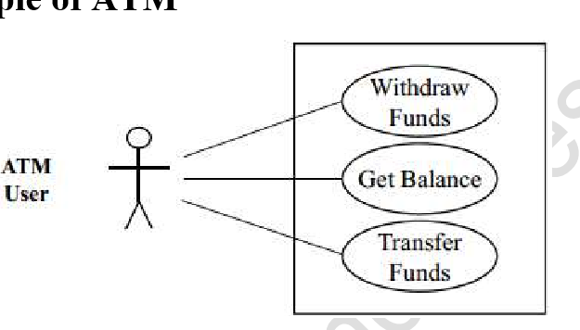

52 | Create Use-case for E-shopping User module. | 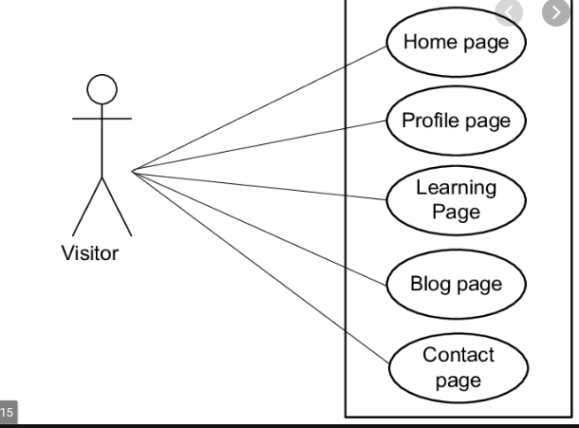

53 | Draw usecase on Online shopping product using COD | 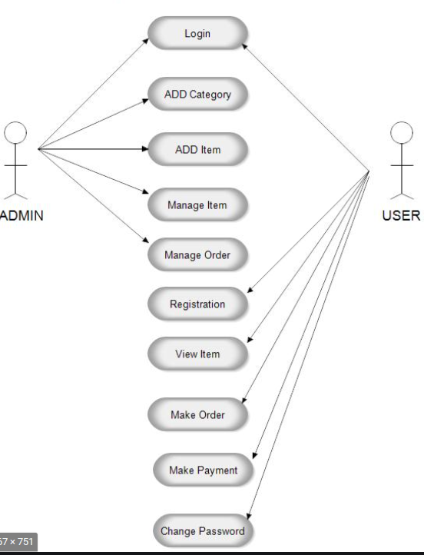

54 | Draw usecase on Online shopping product using payment gateway. | 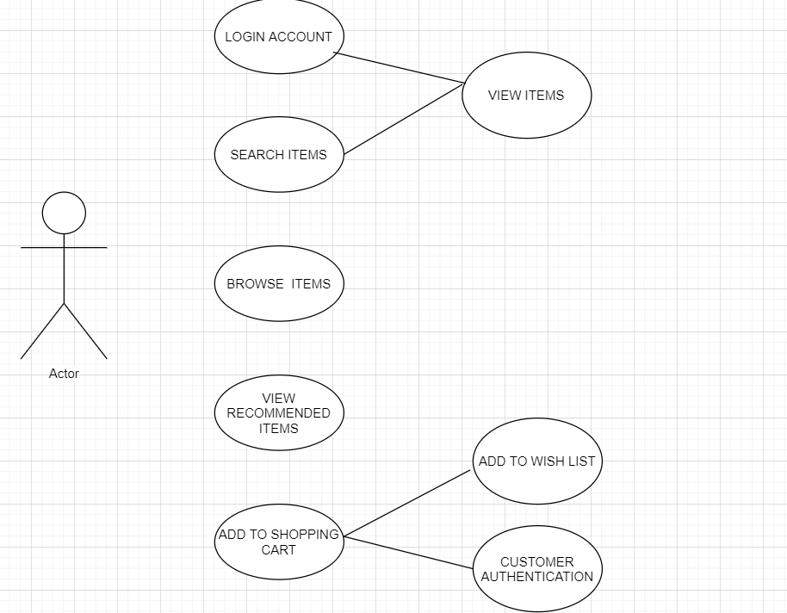

55 | Draw usecase on Property Portal web based project.
 |  | 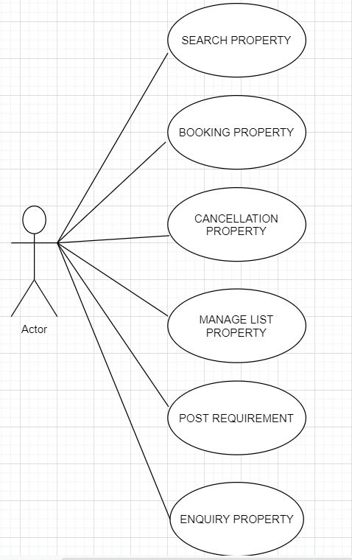

56 | Draw Usecase on Online payment transfer via bank to bank | 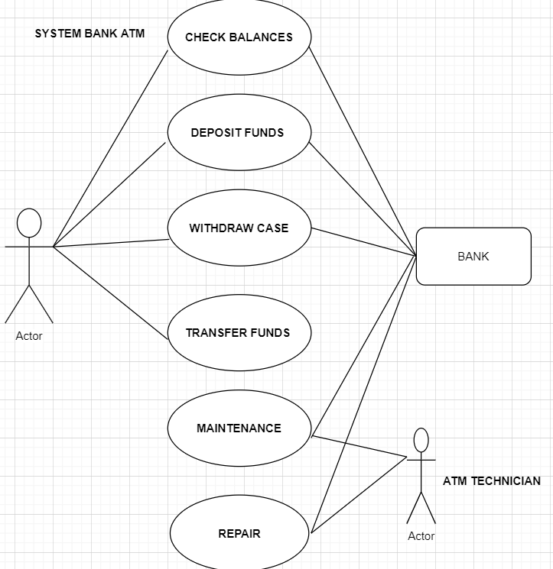

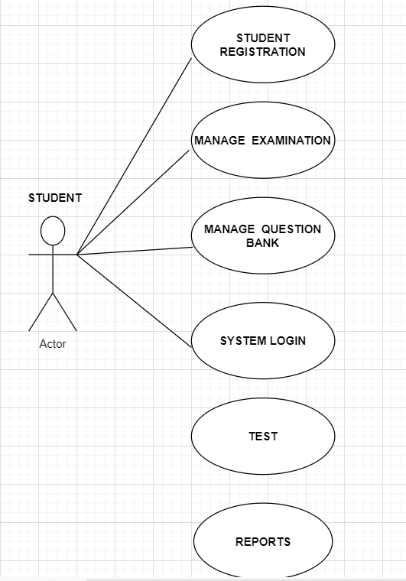
57 | Draw usecase on Student Registration Process on University

